Example - Instructions
Dimensional Report Form

Supplier Name: |  | Sample Company, INC |  |  |  | Part Number | 26-555 |  |  |  |  |  | Part Name/Desc |  |  |  | Fake Sample Component

Revision Level: |  | D |  |  |  | Date | 18 |  | July |  | 2016 |  | Checked By: |  |  |  | John Smith
 |  |  |  |  |  |  | Day |  | Month |  | Year
Cavity Number: |  | 1 | of | 2 |  | Dimensions: |  |  |  |  |  |  | **Please do not edit colored or shaded cells**

 |  |  | Drawing Specification |  |  |  | Sample Number (Leave blank if not needed) |  |  |  |  | Result (Calculates Automatically) |  | Is there an Exception? | Disposition (Only if Result is "Not OK") |  | Comments/SRDC Number
Balloon # | Cavity # | KCC | NOM | MIN | MAX | Inspection Tool Used | 1 | 2 | 3 | 4 | 5 | OK | Not OK | Type | FIX | SRDC* | (Please review "Instructions" tab)
1 | 1 | ♢ | 1 | .75 | 1.25 | Calipers | 0.89 | 0.95 | 0.74 | 0.99 | 1.05 |  | NOT OK |  | X
2 | 1 | ◒ | 35◦ | 34◦ | 36◦ | Optical Comparator | 35 | 35 | 35 | 35 | 35 | Error
3 | 1 |  | 35 | 32.5 | 36.5 | Calipers | 31.65 | 31.68 | 31.6 | 31.65 | 31.61 |  | NOT OK |  |  | X | SRDC-1-1156-1
4 | 1 |  | 145 | 140 | 150 |  | 140 | 141 | 140 | 141 | 140 | OK |  | Basic |  |  | Marking Basic and Reference Dimensions will Override the OK/Not OK Formula.

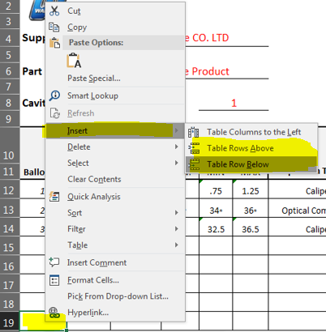
To insert additional rows: |  |  |  |  |  |  |  |  |  |  | PLEASE READ BEFORE CHECKING "SRDC"
1) Right Click in the "Balloon Number" column |  |  |  |  |  |  |  |  |  |  | *FOR SUPPLIERS 1) SRDC Must be requested and approved prior to checking the SRDC box 2) SRDC Must be included with PPAP 3) Enter SRDC Number in the "Comments/SRDC Number" Column *FOR WALBRO USE 1) SRDC Must be approved by Engineering 2) Enter SRDC Number in "Comments/SRDC Number" Column
2) Hover over "Insert" in the Pop-Up Menu
3) Choose "Table Rows Above" or "Table Rows Below"

Create a Tab for EACH Cavity
1) Right Click tab named "Dimensional Report"
2) Click "Move or Copy"

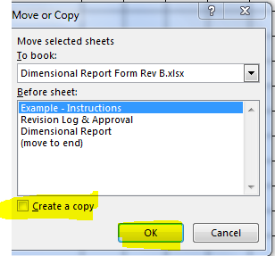
3) Check the Box for "Create a Copy"

4) Click "OK"

5) Rename "Dimensional Report" and "Dimensional Report (2)" to "Cavity #"
- Right Click on the tabs and click on "Rename"

